Table 1
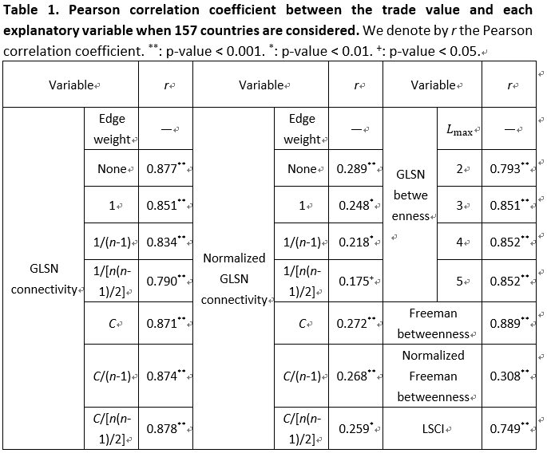
Variable | r | p-value | superscript
GLSN connectivity (Edge weight=None) | 0.877 | 2.8840118865E-51 | **
GLSN connectivity (Edge weight=1) | 0.851 | 3.9652828682E-45 | **
GLSN connectivity (Edge weight=1/(n-1)) | 0.834 | 6.5567855718E-42 | **
GLSN connectivity (Edge weight=1/[n(n-1)/2]) | 0.79 | 8.5892321456E-35 | **
GLSN connectivity (Edge weight=C) | 0.871 | 8.0062569679E-50 | **
GLSN connectivity (Edge weight=C/(n-1)) | 0.874 | 2.3631880243E-50 | **
GLSN connectivity (Edge weight=C/[n(n-1)/2]) | 0.878 | 2.1875157415E-51 | **
Normalized GLSN connectivity (Edge weight=None) | 0.289 | 0.00024657907272 | **
Normalized GLSN connectivity (Edge weight=1) | 0.248 | 0.0017410428156 | *
Normalized GLSN connectivity (Edge weight=1/(n-1)) | 0.218 | 0.0061258633289 | *
Normalized GLSN connectivity (Edge weight=1/[n(n-1)/2]) | 0.175 | 0.028259903508 | +
Normalized GLSN connectivity (Edge weight=C) | 0.272 | 0.00056064443398 | **
Normalized GLSN connectivity (Edge weight=C/(n-1)) | 0.268 | 0.00067580656866 | **
Normalized GLSN connectivity (Edge weight=C/[n(n-1)/2]) | 0.259 | 0.0010793900034 | *
GLSN betweenness (Lmax=2) | 0.793 | 3.9576975132E-35 | **
GLSN betweenness (Lmax=3) | 0.851 | 3.8769694602E-45 | **
GLSN betweenness (Lmax=4) | 0.852 | 2.0439569387E-45 | **
GLSN betweenness (Lmax=5) | 0.852 | 2.2317697754E-45 | **
Freeman betweenness | 0.889 | 2.3757311009E-54 | **
normalized Freeman betweenness | 0.308 | 8.6811180212E-05 | **
LSCI | 0.749 | 1.8096965752E-29 | **

